Electricity Residential
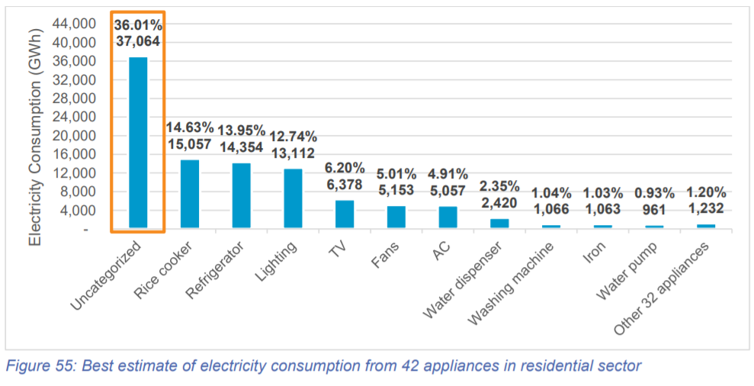

 | year: 2019
 | electricity, by end use
GWh | Category in CLASP | Category in EPS | Total in EPS | This data is then divided for urban and rural use based on urbanization rate (electricity end-use % consumption rate is assumed to be the same)
5,057 | air conditioner | cooling | 11,739
6,682 | electric fan
15,296 | refrigerator | cooking | 30,353
15,057 | rice cooker/warmer
6,378 | television | appliances | 13,120
1,232 | other 32 appliances
1,063 | iron
1,066 | washing machine
2,420 | dispenser |  |  | Total electricity consumption in household (2019)
961 | water pump |  |  | PLN 2019: | 102,917 | GWh
13,112 | lighting | lighting | 13,112 | HEESI 2019: | 103,016 | GWh
37,064 | uncategorized | other | 37,163 | conclusion: data is valid since the difference between 2 sources is low
99 | modulus (unmatch between PLN and HSEE)

